CPbE-FoESCbES-PL-CALC
Dividing CCS on hard coal and lignite:
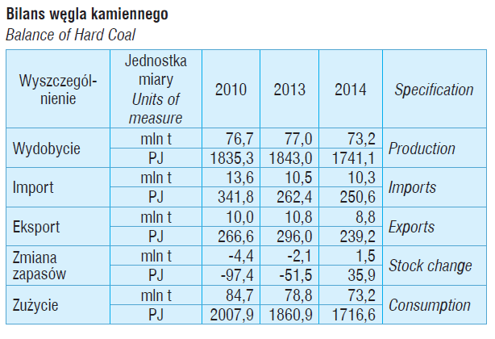
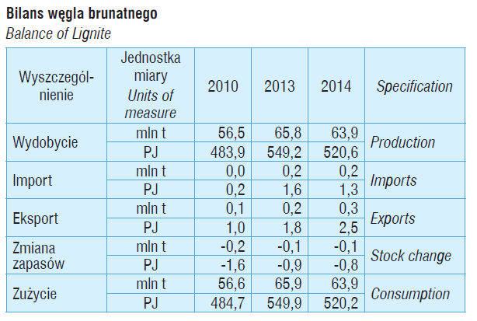

GUS Energia 2015 |  | GUS Energia 2015

Wartości opałowe (WO) i wskaźniki emisji CO2 (WE) w roku 2013 do raportowania w ramach Wspólnotowego Systemu Handlu Uprawnieniami do Emisji za rok 2016 Warszawa, Grudzień 2015 Działalność KOBiZE jest finansowana ze środków Narodowego Funduszu

lignite | hard coal
0.26316467223 | 0.73683532777

